Introduction
EXAMPLE
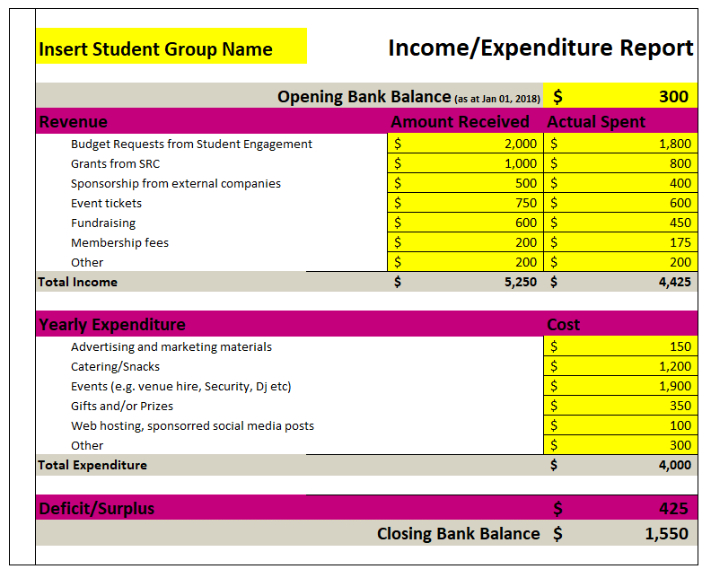
 | What is this? It is a summary your financial performance over the year – what you’ve brought in, what you’ve paid out. This report should account for all transactions and deposits in your account (grouped into categories). Glossary Revenue: The type of money coming in to your bank account Amount Received: How much you received Actual Spent: How much of the "Amount Received" you actually spent How do I fill it out? - On the next sheet, enter your group's name in D4 - Edit the categories of revenue and expenditure to those that would suit your group (all cells highlighted in yellow). Make sure to consider what your group purchases a lot, and what sources of income you have. - Consult your monthly reports of your finances for 2022 and enter in the details accordingly, crosschecking with your bank statements to ensure accurate reporting. - For the the costs in "Other Expenditure", we don't mind if you round up or give your best estimate of expenditure

